Electricity price
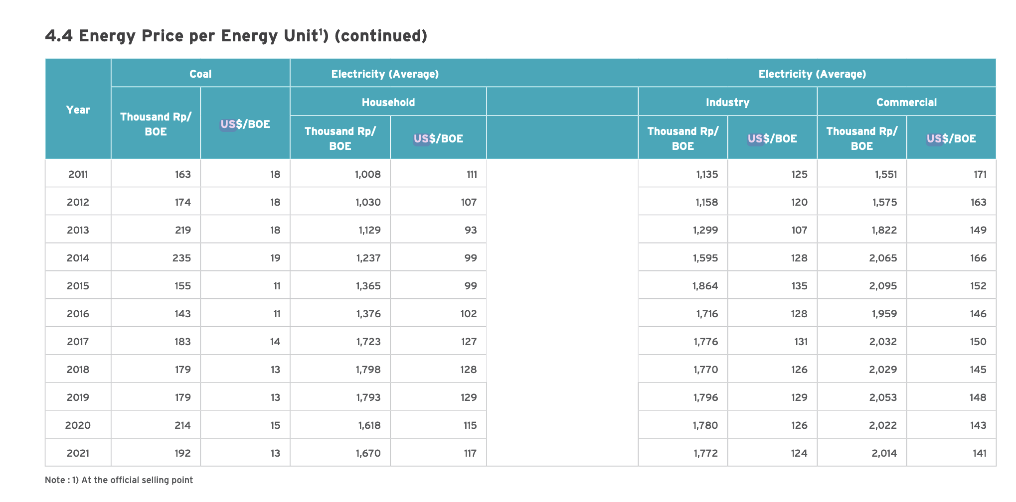

 |  |  |  | US$(2021)/BOE | US$(2012)/BOE | US$(2012)/MWh
US$(2021)/BOE | Household | Industry | Commercial | average | average | average
2019 | $129.00 | $129.00 | $148.00 | $135.33 | $114.63 | $194.80
2020 | $115.00 | $126.00 | $143.00 | $128.00 | $108.42 | $184.24
2021 | $117.00 | $124.00 | $141.00 | $127.33 | $107.85 | $183.28

